Sheet1
 |  |  | Quantity | Notes

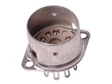 | Belton 9 Pin Miniature Chassis Mount Socket | $2.13 | 7

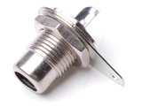 | Switchcraft 3501FR RCA Jack | $2.45 | 2
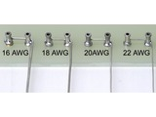 | Tin Plated Copper Buss Wire | $0.28 | 5

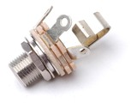 | Switchcraft L12A 1/4" Jack | $2.25 | 3 | NOR, FX Loop
 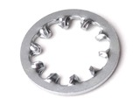 | Lock Washer, Internal Tooth - 3/8" | $0.15 | 7 | FX Loop/Speaker
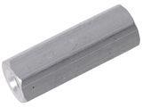 | #6 Female/Female Hex Aluminum Standoff | $0.43 | 40 | 1/2"

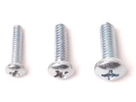 | 6-32 Phillips Pan Head | $0.03 | 80 | 3/8"

 | 6-32 Phillips Pan Head | $0.05 | 10 | 1/4"
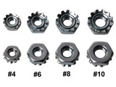 | 6-32 Machine Screw Keps Nut | $0.08 | 10

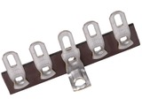 | 5 Lug Terminal Strip | $0.65 | 2
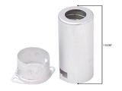 | Miniature Shield | $0.83 | 7

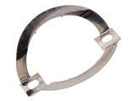 | Octal Tube Clip Suitable For Fender® Brand Amplifiers | $1.07 | 4

 | 18 Ga. Stranded, Tin Plated, Aerospace Grade, Tefzel Wire | $0.41 | 10 | Red Power

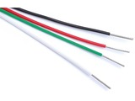 | 18 Ga. Stranded, Tin Plated, Aerospace Grade, Tefzel Wire | $0.41 | 15 | Black heater & Grounds

 | 18 Ga. Stranded, Tin Plated, Aerospace Grade, Tefzel Wire | $0.41 | 10 | White heater

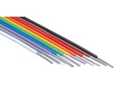 | 20 Ga. Stranded, Tin Plated, Aerospace Grade, Tefzel Wire | $0.37 | 13 | White

 | 20 Ga. Stranded, Tin Plated, Aerospace Grade, Tefzel Wire | $0.37 | 13 | Blue

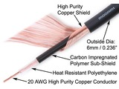 | Mogami W2524 Instrument Cable | $0.95 | 12

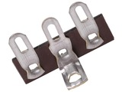 | 3 Lug Terminal Strip | $0.50 | 2
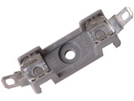 | AGC Fuse Block | $3.95 | 1

